MKJQ YAYAT 10 21 0400
 |  |  |  | GOODS RECEIVED NOTE

Sender |  |  |  | Received Date
Pak Yayat |  |  |  | 2021-10-25
 |  |  |  | NO BA QC :
 |  |  |  | BA-2021-420
 |  |  |  | Ship via |  |  | Plat Number

PO No. | Code | Item | Quantity DO | QC |  |  | Remarks
 |  |  |  | Pass | Reject | Total
MKJQ/YAYAT/10/21/0400 | VIS-VS010100107126 | ALVA BACKPACK (OLIVE) | 60 | 59 | 1 | 60 | Bekas lem
 |  |  |  | 59 | 1 | 60
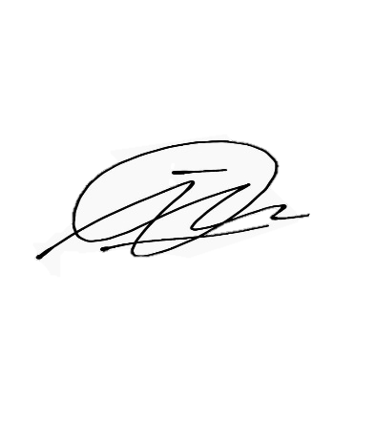

Notes
 |  |  | Received By |  |  | Checked By

 |  |  | Imam D |  |  | Imam D

 |  |  | Date |  |  | Date
 |  |  | 2021-10-25 |  |  | 2021-10-25

Perhatian :
Barang reject selambat-lambatnya harus diambil H+7 setelah BA QC keluar
Lebih dari itu barang sudah bukan tanggung jawab kami.

